Sorting and Filtering Screensho
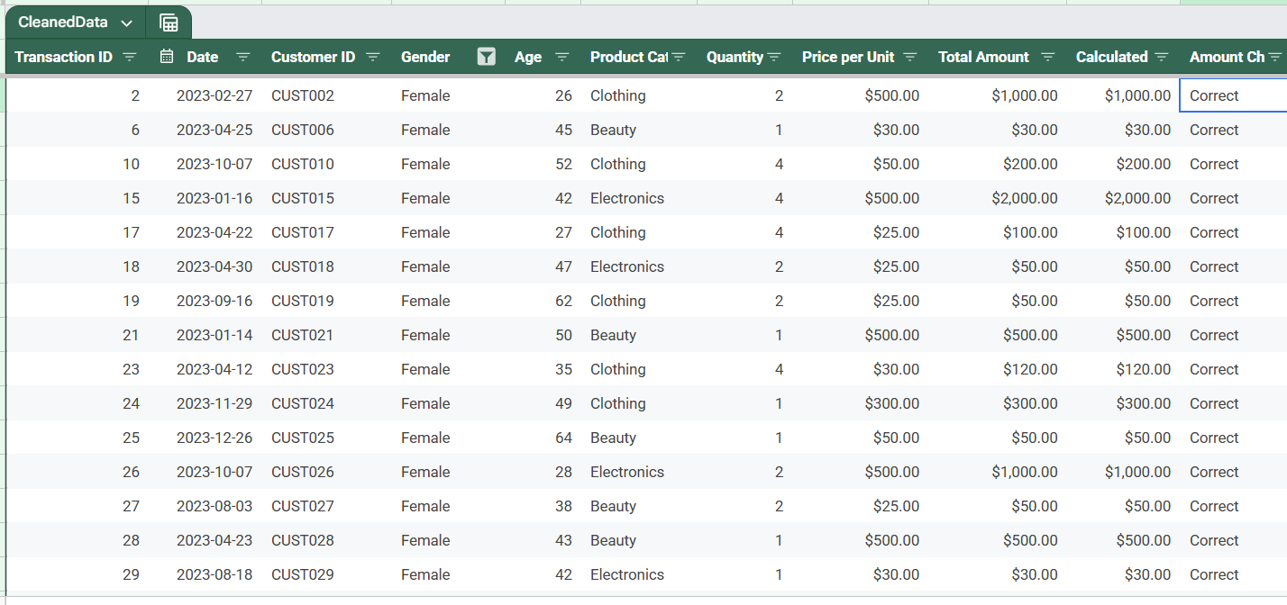
Category: Clothing

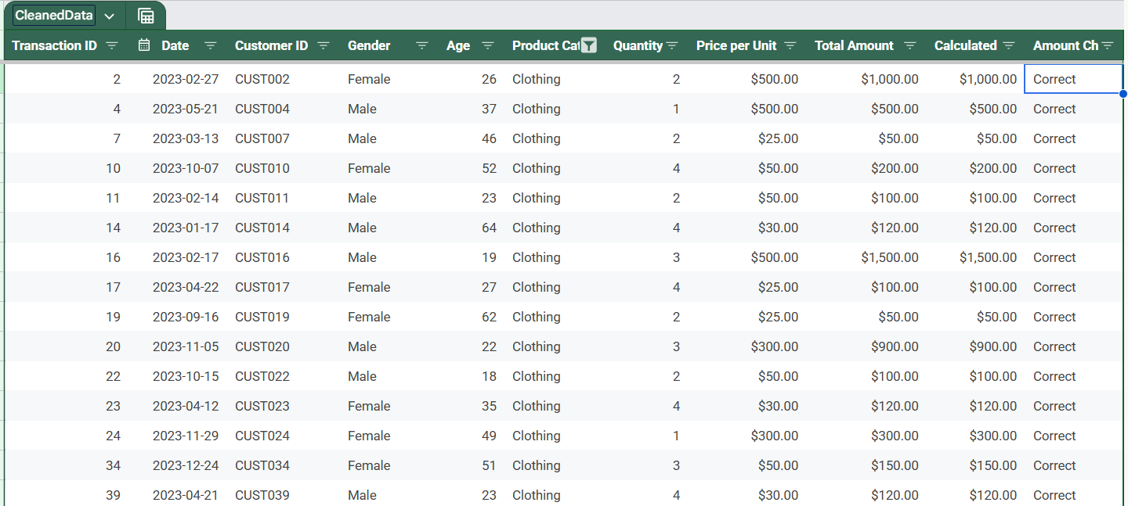

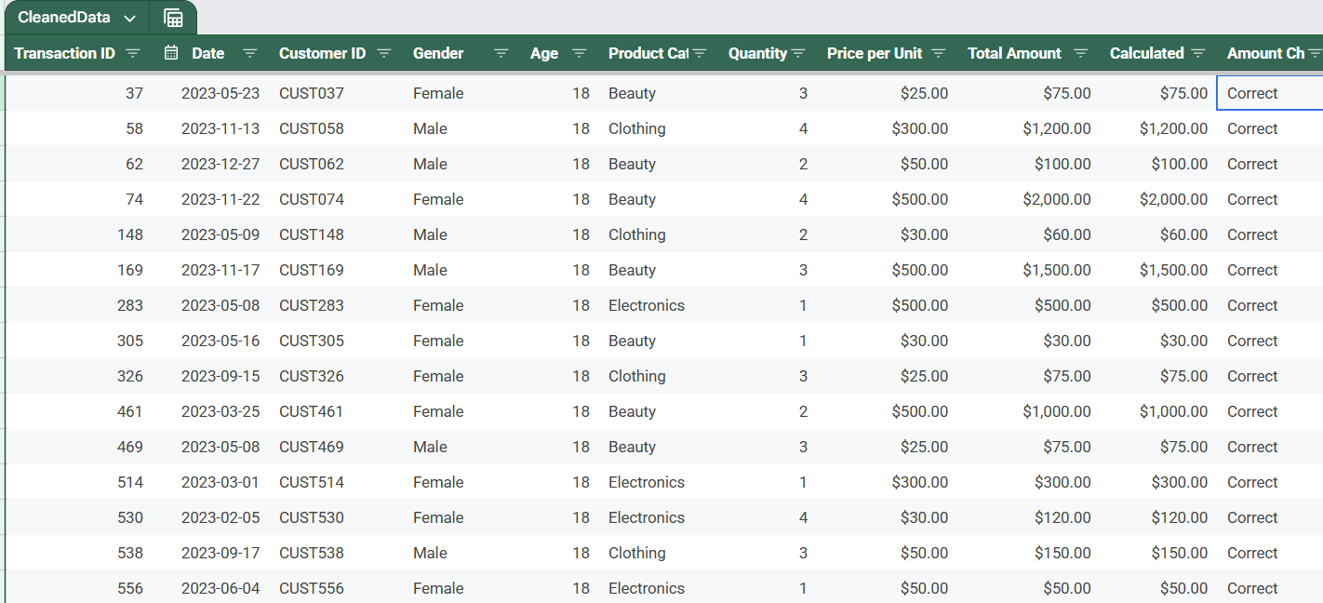
Sort By: Age ascending

Gender: Female

Charts
Total Sales by Product Category
Total Sales by Gender

Total Quantity Sold by Product Category

